BufferBaseline
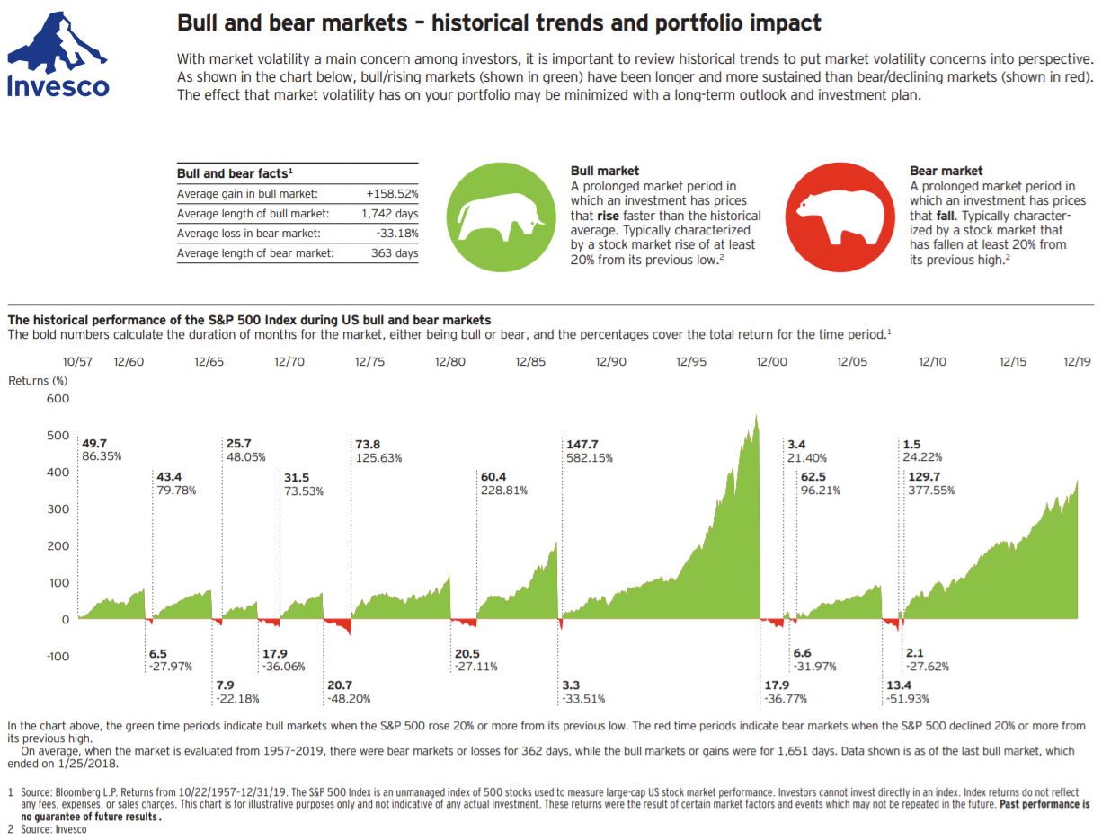
Buffer Baseline Calculation
Use this to calculate the minimal amount of near cash equivalent income to have in your savings

Bear Market Length | 10 | Crash Data - How long to recover
Retirement Funds | 1,000,000 | Crash | Recovery (Years) | Start | End | Index
Cost of Living | 60,000 | 2020 Pandemic | 0.8 | 2020-02-12 | 2020-11-16 | DJIA
Supplemental Income | 35,000 | 2008 Financial Crisis | 5.4 | 2007-10-08 | 2013-02-25 | DJIA
Your Tax Bracket | 12% | 2000 Dot-com Bubble | 13.3 | 2002-03-06 | 2015-06-08 | NADAQ
Years to Retirement | 2

Yearly Withdraw | $28,409
Yearly Taxes | $3,409

Buffer Baseline | $227,273
Percent of Retirement Funds | 23%

Conservative
Conservative Portfolio Calculations (with 2008 crash values)
Conservative Portfolio
Total Funds | $1,000k

Asset Class | Target | Actual |  | Metric | Amounts | Percent
Cash Investments | 30% | 30% |  | Initial | $1,000k | 100%
Fixed Income | 50% | 50% |  | 2008 Crash | $867k | 87%
International Equity | 5% | 5% |  | Final | $1,104k | 110%
Small Cap Equity | 0% | 0% |  | Income | $23k | 2.26%
Large Cap Equity | 15% | 15%
Other | 0% | 0%

Cash Investments |  | 30%
Name | Ticker | Percent | Initial | Income | Crash | Now
Cash | N/A | 5% | $50,000 | $0 | $50,000 | $50,000
Fidelity Short-Term Bond fund | FSHBX | 15% | $150,000 | $2,400 | $137,385 | $151,728
American Funds Preservation Portfolio Class F-2 | PPEFX | 10% | $100,000 | $1,600 | $96,531 | $102,180
 |  |  |  | $0

Fixed Income |  | 50%
Name | Ticker | Percent | Initial | Income | Crash | Now
SPDR DoubleLine Total Return Tactical | TOTL | 10% | $100,000 | $2,360 | $93,267 | $98,048
Vanguard Short-Term Corporate bond Index Fund Admiral Shares | VSCSX | 15% | $150,000 | $3,270 | $142,531 | $155,002
Vanguard Total World Bond ETF | BNDW | 15% | $150,000 | $4,095 | $147,922 | $163,164
iShares Broad USD High Yield Corporate Bond ETF | USHY | 10% | $100,000 | $5,180 | $77,196 | $98,804

International Equity |  | 5%
Name | Ticker | Percent | Initial | Income | Crash | Now
Vanguard Total International Stock Index Fund ETF Shares | VXUS | 5% | $50,000 | $1,025 | $30,750 | $51,316

Large Cap |  | 15%
Name | Ticker | Percent | Initial | Income | Crash | Now
Vanguard US Minimum Volatility ETF | VFMV | 10% | $100,000 | $2,010 | $68,462 | $98,548
Vanguard Total Stock Market Index Fund ETF | VTI | 5% | $50,000 | $695 | $22,893 | $134,718

Small Cap |  | 0%
Name | Ticker | Percent | Initial | Income | Crash | Now

Other |  | 0%
Name | Ticker | Percent | Initial | Income | Crash | Now

Moderate
Moderate Portfolio Calculations (with 2008 crash values)
Moderate Portfolio
Total Funds | $1,000k

Asset Class | Target | Actual |  | Metric | Amounts | Percent
Cash Investments | 5% | 5% |  | Initial | $1,000k | 100%
Fixed Income | 35% | 35% |  | 2008 Crash | $652k | 65%
International Equity | 15% | 15% |  | Final | $1,217k | 122%
Small Cap Equity | 10% | 10% |  | Income | $27k | 2.66%
Large Cap Equity | 35% | 35%
Other | 0% | 0%

Cash Investments |  | 5%
Name | Ticker | Percent | Initial | Income | Crash | Now
Cash | N/A | 1% | $10,000 | $0 | $10,000 | $10,000
Fidelity Short-Term Bond fund | FSHBX | 2% | $20,000 | $320 | $18,318 | $20,230
American Funds Preservation Portfolio Class F-2 | PPEFX | 2% | $20,000 | $320 | $19,306 | $20,436
 |  |  |  | $0

Fixed Income |  | 35%
Name | Ticker | Percent | Initial | Income | Crash | Now
SPDR DoubleLine Total Return Tactical | TOTL | 10% | $100,000 | $2,360 | $93,267 | $98,048
Vanguard Total World Bond ETF | BNDW | 10% | $100,000 | $2,730 | $98,615 | $108,776
AllianceBernstein Global High Incomd Fund Inc. | AWF | 10% | $100,000 | $5,740 | $44,453 | $90,216
Vanguard REIT Index Fund ETF Shares | VNQ | 3% | $30,000 | $1,143 | $8,512 | $35,027
Easterly Government Properties Inc | DEA | 2% | $20,000 | $908 | $14,432 | $21,322

International Equity |  | 15%
Name | Ticker | Percent | Initial | Income | Crash | Now
Vanguard Total International Stock Index Fund ETF Shares | VXUS | 10% | $100,000 | $2,050 | $61,501 | $102,632
Vanguard Total World Stock ETF | VT | 5% | $50,000 | $790 | $24,970 | $95,913

Large Cap |  | 35%
Name | Ticker | Percent | Initial | Income | Crash | Now
Vanguard US Minimum Volatility ETF | VFMV | 15% | $150,000 | $3,015 | $102,693 | $147,821
Vanguard Total Stock Market Index Fund ETF | VTI | 10% | $100,000 | $1,390 | $45,785 | $269,436
iShares Preferred and Income Securities ETF | PFF | 5% | $50,000 | $2,170 | $15,638 | $39,879
Global X US Preferred ETF | PFFD | 5% | $50,000 | $2,265 | $36,868 | $50,235

Small Cap |  | 10%
Name | Ticker | Percent | Initial | Income | Crash | Now
Vanguard Russell 2000 Index Fund ETF | VTWO | 5% | $50,000 | $410 | $29,270 | $61,898
Invesco S&P SmallCap Low Volatility ETF | XSLV | 3% | $30,000 | $672 | $17,307 | $24,995
Vanguard FTSE All-World EX-US Small-Cap Index ETF | VSS | 2% | $20,000 | $356 | $10,820 | $19,692

Other |  | 0%
Name | Ticker | Percent | Initial | Income | Crash | Now

Aggressive
Aggressive Portfolio Calculations (with 2008 crash values)
Aggressive Portfolio
Total Funds | $1,000k

Asset Class | Target | Actual |  | Metric | Amounts | Percent
Cash Investments | 5% | 5% |  | Initial | $1,000k | 100%
Fixed Income | 0% | 0% |  | 2008 Crash | $561k | 56%
International Equity | 25% | 25% |  | Final | $1,303k | 130%
Small Cap Equity | 20% | 15% |  | Income | $22k | 2.22%
Large Cap Equity | 50% | 50%
Other | 0% | 5%

Cash Investments |  | 5%
Name | Ticker | Percent | Initial | Income | Crash | Now
Cash | N/A | 1% | $10,000 | $0 | $10,000 | $10,000
Fidelity Short-Term Bond fund | FSHBX | 2% | $20,000 | $320 | $18,318 | $20,230
American Funds Preservation Portfolio Class F-2 | PPEFX | 2% | $20,000 | $320 | $19,306 | $20,436
 |  |  |  | $0

Fixed Income |  | 0%
Name | Ticker | Percent | Initial | Income | Crash | Now

International Equity |  | 25%
Name | Ticker | Percent | Initial | Income | Crash | Now
Vanguard Total International Stock Index Fund ETF Shares | VXUS | 15% | $150,000 | $3,075 | $92,251 | $153,948
Vanguard FTSE All-World EX-US Small-Cap Index ETF | VSS | 5% | $50,000 | $890 | $27,049 | $49,229
Global X US Preferred ETF | PFFD | 5% | $50,000 | $2,265 | $36,868 | $50,235

Large Cap |  | 50%
Name | Ticker | Percent | Initial | Income | Crash | Now
Vanguard US Minimum Volatility ETF | VFMV | 15% | $150,000 | $3,015 | $102,693 | $147,821
Vanguard Total Stock Market Index Fund ETF | VTI | 15% | $150,000 | $2,085 | $68,678 | $404,154
iShares Preferred and Income Securities ETF | PFF | 5% | $50,000 | $2,170 | $15,638 | $39,879
iShares Dow Jones International Select Dividend Index | IDV | 5% | $50,000 | $2,475 | $14,193 | $29,061
Vanguard REIT Index Fund ETF Shares | VNQ | 5% | $50,000 | $1,905 | $14,187 | $58,378
Vanguard Utilities | VPU | 5% | $50,000 | $1,535 | $27,873 | $80,184

Small Cap |  | 20%
Name | Ticker | Percent | Initial | Income | Crash | Now
Vanguard Russell 2000 Index Fund ETF | VTWO | 7% | $70,000 | $574 | $40,978 | $86,657
Invesco S&P SmallCap Low Volatility ETF | XSLV | 8% | $80,000 | $1,792 | $46,152 | $66,654

Other |  | 0%
Name | Ticker | Percent | Initial | Income | Crash | Now
ARK Genomic Revolution ETF | ARKG | 3% | $30,000 | -$225 | $21,618 | $83,776
iShares Global Clean Energy | ICLN | 2% | $20,000 | -$24 | $5,411 | $12,815

