BufferBaseline
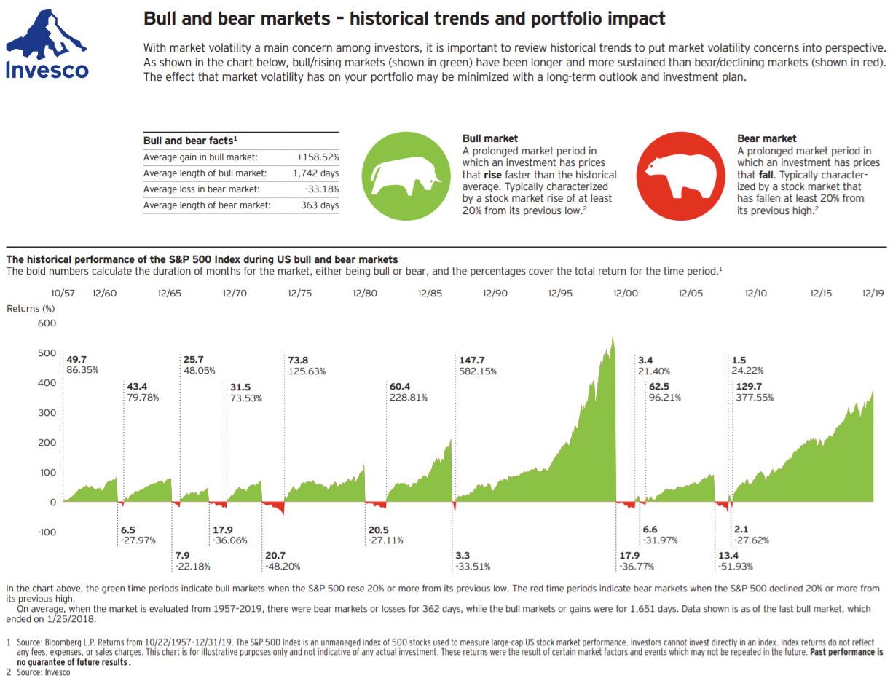
Buffer Baseline Calculation
Use this to calculate the minimal amount of near cash equivalent income to have in your savings

Bear Market Length | 10 | Crash Data - How long to recover
Retirement Funds | 1,000,000 | Crash | Recovery (Years) | Start | End | Index
Cost of Living | 60,000 | 2020 Pandemic | 0.8 | 2020-02-12 | 2020-11-16 | DJIA
Supplemental Income | 35,000 | 2008 Financial Crisis | 5.4 | 2007-10-08 | 2013-02-25 | DJIA
Your Tax Bracket | 12% | 2000 Dot-com Bubble | 13.3 | 2002-03-06 | 2015-06-08 | NADAQ
Years to Retirement | 2

Yearly Withdraw | $28,409
Yearly Taxes | $3,409

Buffer Baseline | $227,273
Percent of Retirement Funds | 23%

Conservative
Conservative Portfolio Calculations (with 2020 crash values)
Conservative Portfolio
Total Funds | $1,000k

Asset Class | Target | Actual |  | Metric | Amounts | Percent
Cash Investments | 30% | 30% |  | Initial | $1,000k | 100%
Fixed Income | 50% | 50% |  | 2020 Crash | $901k | 90%
International Equity | 5% | 5% |  | Final | $1,022k | 102%
Small Cap Equity | 0% | 0% |  | Income | $23k | 2.26%
Large Cap Equity | 15% | 15%
Other | 0% | 0%

Cash Investments |  | 30%
Name | Ticker | Percent | Initial | Income | Crash | Now
Cash | N/A | 5% | $50,000 | $0 | $50,000 | $50,000
Fidelity Short-Term Bond fund | FSHBX | 15% | $150,000 | $2,400 | $147,766 | $150,859
American Funds Preservation Portfolio Class F-2 | PPEFX | 10% | $100,000 | $1,600 | $100,199 | $102,692
 |  |  |  | $0

Fixed Income |  | 50%
Name | Ticker | Percent | Initial | Income | Crash | Now
SPDR DoubleLine Total Return Tactical | TOTL | 10% | $100,000 | $2,360 | $94,322 | $99,576
Vanguard Short-Term Corporate bond Index Fund Admiral Shares | VSCSX | 15% | $150,000 | $3,270 | $143,514 | $152,838
Vanguard Total World Bond ETF | BNDW | 15% | $150,000 | $4,095 | $142,733 | $153,072
iShares Broad USD High Yield Corporate Bond ETF | USHY | 10% | $100,000 | $5,180 | $82,487 | $99,903

International Equity |  | 5%
Name | Ticker | Percent | Initial | Income | Crash | Now
Vanguard Total International Stock Index Fund ETF Shares | VXUS | 5% | $50,000 | $1,025 | $33,752 | $57,170

Large Cap |  | 15%
Name | Ticker | Percent | Initial | Income | Crash | Now
Vanguard US Minimum Volatility ETF | VFMV | 10% | $100,000 | $2,010 | $71,232 | $97,806
Vanguard Total Stock Market Index Fund ETF | VTI | 5% | $50,000 | $695 | $34,620 | $58,436

Small Cap |  | 0%
Name | Ticker | Percent | Initial | Income | Crash | Now

Other |  | 0%
Name | Ticker | Percent | Initial | Income | Crash | Now

Moderate
Moderate Portfolio Calculations (with 2020 crash values)
Moderate Portfolio
Total Funds | $1,000k

Asset Class | Target | Actual |  | Metric | Amounts | Percent
Cash Investments | 5% | 5% |  | Initial | $1,000k | 100%
Fixed Income | 35% | 35% |  | 2020 Crash | $746k | 75%
International Equity | 15% | 15% |  | Final | $1,038k | 104%
Small Cap Equity | 10% | 10% |  | Income | $27k | 2.66%
Large Cap Equity | 35% | 35%
Other | 0% | 0%

Cash Investments |  | 5%
Name | Ticker | Percent | Initial | Income | Crash | Now
Cash | N/A | 1% | $10,000 | $0 | $10,000 | $10,000
Fidelity Short-Term Bond fund | FSHBX | 2% | $20,000 | $320 | $19,702 | $20,115
American Funds Preservation Portfolio Class F-2 | PPEFX | 2% | $20,000 | $320 | $20,040 | $20,538
 |  |  |  | $0

Fixed Income |  | 35%
Name | Ticker | Percent | Initial | Income | Crash | Now
SPDR DoubleLine Total Return Tactical | TOTL | 10% | $100,000 | $2,360 | $94,322 | $99,576
Vanguard Total World Bond ETF | BNDW | 10% | $100,000 | $2,730 | $95,155 | $102,048
AllianceBernstein Global High Incomd Fund Inc. | AWF | 10% | $100,000 | $5,740 | $63,571 | $93,835
Vanguard REIT Index Fund ETF Shares | VNQ | 3% | $30,000 | $1,143 | $18,881 | $25,813
Easterly Government Properties Inc | DEA | 2% | $20,000 | $908 | $18,710 | $18,306

International Equity |  | 15%
Name | Ticker | Percent | Initial | Income | Crash | Now
Vanguard Total International Stock Index Fund ETF Shares | VXUS | 10% | $100,000 | $2,050 | $67,505 | $114,340
Vanguard Total World Stock ETF | VT | 5% | $50,000 | $790 | $34,357 | $57,993

Large Cap |  | 35%
Name | Ticker | Percent | Initial | Income | Crash | Now
Vanguard US Minimum Volatility ETF | VFMV | 15% | $150,000 | $3,015 | $106,848 | $146,709
Vanguard Total Stock Market Index Fund ETF | VTI | 10% | $100,000 | $1,390 | $69,240 | $116,873
iShares Preferred and Income Securities ETF | PFF | 5% | $50,000 | $2,170 | $32,992 | $50,315
Global X US Preferred ETF | PFFD | 5% | $50,000 | $2,265 | $34,564 | $50,393

Small Cap |  | 10%
Name | Ticker | Percent | Initial | Income | Crash | Now
Vanguard Russell 2000 Index Fund ETF | VTWO | 5% | $50,000 | $410 | $29,634 | $63,388
Invesco S&P SmallCap Low Volatility ETF | XSLV | 3% | $30,000 | $672 | $17,928 | $25,005
Vanguard FTSE All-World EX-US Small-Cap Index ETF | VSS | 2% | $20,000 | $356 | $12,649 | $22,991

Other |  | 0%
Name | Ticker | Percent | Initial | Income | Crash | Now

Aggressive
Aggressive Portfolio Calculations (with 2020 crash values)
Aggressive Portfolio
Total Funds | $1,000k

Asset Class | Target | Actual |  | Metric | Amounts | Percent
Cash Investments | 5% | 5% |  | Initial | $1,000k | 100%
Fixed Income | 0% | 0% |  | 2020 Crash | $683k | 68%
International Equity | 25% | 25% |  | Final | $1,127k | 113%
Small Cap Equity | 20% | 15% |  | Income | $22k | 2.22%
Large Cap Equity | 50% | 50%
Other | 0% | 5%

Cash Investments |  | 5%
Name | Ticker | Percent | Initial | Income | Crash | Now
Cash | N/A | 1% | $10,000 | $0 | $10,000 | $10,000
Fidelity Short-Term Bond fund | FSHBX | 2% | $20,000 | $320 | $19,702 | $20,115
American Funds Preservation Portfolio Class F-2 | PPEFX | 2% | $20,000 | $320 | $20,040 | $20,538
 |  |  |  | $0

Fixed Income |  | 0%
Name | Ticker | Percent | Initial | Income | Crash | Now

International Equity |  | 25%
Name | Ticker | Percent | Initial | Income | Crash | Now
Vanguard Total International Stock Index Fund ETF Shares | VXUS | 15% | $150,000 | $3,075 | $101,257 | $171,510
Vanguard FTSE All-World EX-US Small-Cap Index ETF | VSS | 5% | $50,000 | $890 | $31,623 | $57,478
Global X US Preferred ETF | PFFD | 5% | $50,000 | $2,265 | $34,564 | $50,393

Large Cap |  | 50%
Name | Ticker | Percent | Initial | Income | Crash | Now
Vanguard US Minimum Volatility ETF | VFMV | 15% | $150,000 | $3,015 | $106,848 | $146,709
Vanguard Total Stock Market Index Fund ETF | VTI | 15% | $150,000 | $2,085 | $103,860 | $175,309
iShares Preferred and Income Securities ETF | PFF | 5% | $50,000 | $2,170 | $32,992 | $50,315
iShares Dow Jones International Select Dividend Index | IDV | 5% | $50,000 | $2,475 | $30,514 | $45,389
Vanguard REIT Index Fund ETF Shares | VNQ | 5% | $50,000 | $1,905 | $31,468 | $43,022
Vanguard Utilities | VPU | 5% | $50,000 | $1,535 | $38,690 | $44,400

Small Cap |  | 20%
Name | Ticker | Percent | Initial | Income | Crash | Now
Vanguard Russell 2000 Index Fund ETF | VTWO | 7% | $70,000 | $574 | $41,488 | $88,743
Invesco S&P SmallCap Low Volatility ETF | XSLV | 8% | $80,000 | $1,792 | $47,809 | $66,680

Other |  | 0%
Name | Ticker | Percent | Initial | Income | Crash | Now
ARK Genomic Revolution ETF | ARKG | 3% | $30,000 | -$225 | $20,167 | $88,291
iShares Global Clean Energy | ICLN | 2% | $20,000 | -$24 | $12,400 | $47,644

